1
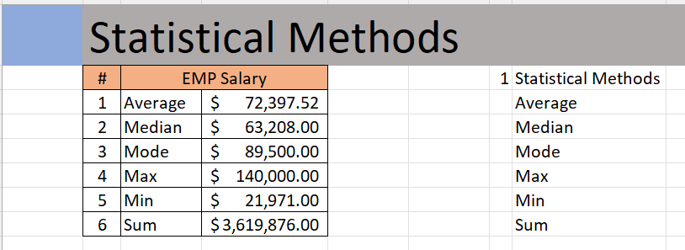
 | Statistical Methods
 | # | EMP Salary |  | 1 | Statistical Methods
 | 1 | Average | $72,397.52 |  | Average
 | 2 | Median | $63,208.00 |  | Median
 | 3 | Mode | $89,500.00 |  | Mode
 | 4 | Max | $140,000.00 |  | Max
 | 5 | Min | $21,971.00 |  | Min
 | 6 | Sum | $3,619,876.00 |  | Sum

Outcome should be as below

5
 | Calculate Bonus based on %
 |  |  |  |  |  |  |  |  |  |  |  |  |  |  | EmployeID | Bonus % | Employee Name
 | Employee ID | Department | Employee | Country | Yearly Sal | Bonus % | Bounus $ |  |  |  |  |  |  |  | ID29 | 18% | Andre Cooper
 | ID18 | Sales | James Willard | Australia | 60270 | #VALUE! | #VALUE! | Employee ID | Department | Employee | Country | Yearly Sal | Bonus % | Bounus $ | ID14 | 9% | Ann Withers
 | ID23 | Sales | Tommy Lee | USA | 93668 | 0% | $- | ID18 | Sales | James Willard | Australia | 60270 | 0% | $- | ID32 | 15% | Ashley Lee
 | ID17 | Sales | Wolfgang Ramjac | Australia | 80000 | 0% | $- | ID23 | Sales | Tommy Lee | USA | 93668 | 0% | $- | ID15 | 17% | Betina Bauer
 | ID5 | Sales | Walter Miller | USA | 89500 | 6% | $4,800.00 | ID17 | Sales | Wolfgang Ramjac | Australia | 80000 | 6% | $4,800.00 | ID10 | 24% | Brigitte Bond
 | ID13 | Sales | Kim West | Netherlands | 134000 | 6% | $5,370.00 | ID5 | Sales | Walter Miller | USA | 89500 | 6% | $5,370.00 | ID45 | 10% | Charles Paul
 | ID22 | Sales | Ewan Thompson | USA | 45000 | 8% | $10,720.00 | ID13 | Sales | Kim West | Netherlands | 134000 | 8% | $10,720.00 | ID16 | 19% | Corinna Schmidt
 | ID24 | Sales | Paul Garza | USA | 29726 | 9% | $4,050.00 | ID22 | Sales | Ewan Thompson | USA | 45000 | 9% | $4,050.00 | ID1 | 21% | Crystal Doyle
 | ID50 | Sales | Ruth Joseph | Australia | 58445 | 10% | $2,972.60 | ID24 | Sales | Paul Garza | USA | 29726 | 10% | $2,972.60 | ID11 | 20% | Dan Ziegler
 | ID47 | Sales | Edward William | Netherlands | 55117 | 11% | $6,428.95 | ID50 | Sales | Ruth Joseph | Australia | 58445 | 11% | $6,428.95 | ID47 | 13% | Edward William
 | ID42 | Sales | Stephen Hughes | USA | 120000 | 13% | $7,165.21 | ID47 | Sales | Edward William | Netherlands | 55117 | 13% | $7,165.21 | ID22 | 9% | Ewan Thompson
 | ID19 | Sales | Paul Wells | USA | 135000 | 13% | $15,600.00 | ID42 | Sales | Stephen Hughes | USA | 120000 | 13% | $15,600.00 | ID4 | 24% | Gary Miller
 | ID48 | Sales | Rose Kuntum | Australia | 60445 | 14% | $18,900.00 | ID19 | Sales | Paul Wells | USA | 135000 | 14% | $18,900.00 | ID38 | 14% | Hanna Morea
 | ID49 | Sales | Lenny Karwiz | USA | 83117 | 19% | $11,484.55 | ID48 | Sales | Rose Kuntum | Australia | 60445 | 19% | $11,484.55 | ID41 | 22% | Isaac Doantan
Output should look like below | ID41 | Sales | Isaac Doantan | USA | 58445 | 20% | $16,623.40 | ID49 | Sales | Lenny Karwiz | USA | 83117 | 20% | $16,623.40 | ID35 | 18% | John Baptist
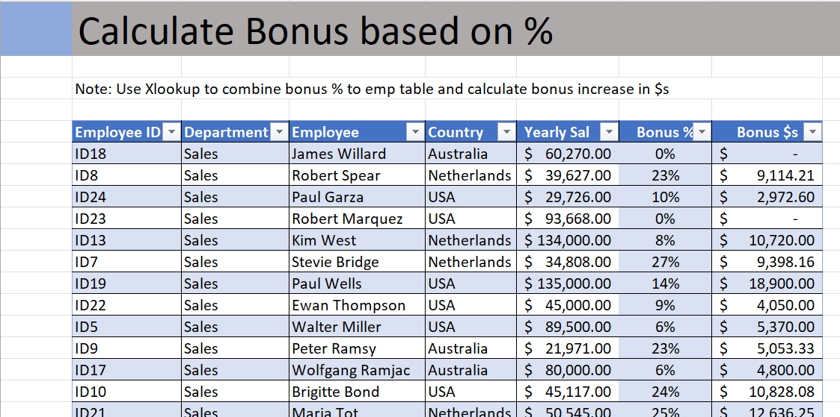
 |  |  |  |  |  |  |  | ID41 | Sales | Isaac Doantan | USA | 58445 | 22% | $12,857.90 | ID39 | 16% | John Mark
 |  |  |  |  |  |  |  | ID9 | Sales | Peter Ramsy | Australia | 21971 | 23% | $5,053.33 | ID40 | 14% | John Mylas
 |  |  |  |  |  |  |  | ID8 | Sales | Robert Spear | Netherlands | 39627 | 23% | $9,114.21 | ID36 | 18% | Joseph Vinod
 |  |  |  |  |  |  |  | ID10 | Sales | Brigitte Bond | USA | 45117 | 24% | $10,828.08 | ID13 | 8% | Kim West
 |  |  |  |  |  |  |  | ID21 | Sales | Maria Tot | Netherlands | 50545 | 25% | $12,636.25 | ID49 | 20% | Lenny Karwiz
 |  |  |  |  |  |  |  | ID7 | Sales | Stevie Bridge | Netherlands | 34808 | 27% | $9,398.16 | ID31 | 6% | Lukas Hofer
 |  |  |  |  |  |  |  | ID30 | Procurement | Robert Musser | USA | 68357 | 0% | $- | ID44 | 9% | Mahitha Nowman
 |  |  |  |  |  |  |  | ID14 | Procurement | Ann Withers | Australia | 51800 | 9% | $4,662.00 | ID21 | 25% | Maria Tot
 |  |  |  |  |  |  |  | ID44 | Procurement | Mahitha Nowman | USA | 89500 | 9% | $8,055.00 | ID34 | 19% | Mercy Mayo
 |  |  |  |  |  |  |  | ID45 | Procurement | Charles Paul | Australia | 65971 | 10% | $6,597.10 | ID27 | 18% | Mike Saban
 |  |  |  |  |  |  |  | ID3 | Procurement | Natalie Porter | USA | 140000 | 10% | $14,000.00 | ID3 | 10% | Natalie Porter
 |  |  |  |  |  |  |  | ID38 | Procurement | Hanna Morea | Netherlands | 35971 | 14% | $5,035.94 | ID24 | 10% | Paul Garza
 |  |  |  |  |  |  |  | ID40 | Procurement | John Mylas | Australia | 55117 | 14% | $7,716.38 | ID25 | 25% | Paul Hill
 |  |  |  |  |  |  |  | ID43 | Procurement | Stephen Hawkings | Netherlands | 45450 | 16% | $7,272.00 | ID19 | 14% | Paul Wells
 |  |  |  |  |  |  |  | ID39 | Procurement | John Mark | Netherlands | 80000 | 16% | $12,800.00 | ID9 | 23% | Peter Ramsy
 |  |  |  |  |  |  |  | ID27 | Procurement | Mike Saban | USA | 45000 | 18% | $8,100.00 | ID12 | 14% | Richard Elliot
 |  |  |  |  |  |  |  | ID46 | Procurement | Sharon Rose | USA | 80000 | 18% | $14,400.00 | ID26 | 25% | Robert Richardson
 |  |  |  |  |  |  |  | ID29 | Procurement | Andre Cooper | Netherlands | 110000 | 18% | $19,800.00 | ID8 | 23% | Robert Spear
 |  |  |  |  |  |  |  | ID16 | Procurement | Corinna Schmidt | USA | 97000 | 19% | $18,430.00 | ID20 | 25% | Roger Mun
 |  |  |  |  |  |  |  | ID37 | Procurement | Sarah Gavlace | USA | 89500 | 21% | $18,795.00 | ID48 | 19% | Rose Kuntum
 |  |  |  |  |  |  |  | ID28 | Finance | Daniel Garrett | USA | 55117 | 0% | $- | ID50 | 11% | Ruth Joseph
 |  |  |  |  |  |  |  | ID2 | Finance | Daniela Schreiber | Netherlands | 50545 | 0% | $- | ID37 | 21% | Sarah Gavlace
 |  |  |  |  |  |  |  | ID6 | Finance | Robert Blume | Netherlands | 88357 | 0% | $- | ID46 | 18% | Sharon Rose
 |  |  |  |  |  |  |  | ID31 | Finance | Lukas Hofer | USA | 59200 | 6% | $3,552.00 | ID43 | 16% | Stephen Hawkings
 |  |  |  |  |  |  |  | ID12 | Finance | Richard Elliot | USA | 35971 | 14% | $5,035.94 | ID42 | 13% | Stephen Hughes
 |  |  |  |  |  |  |  | ID33 | Finance | Tim Watson | USA | 68357 | 15% | $10,253.55 | ID7 | 27% | Stevie Bridge
 |  |  |  |  |  |  |  | ID32 | Finance | Ashley Lee | Australia | 97000 | 15% | $14,550.00 | ID33 | 15% | Tommy Lee
 |  |  |  |  |  |  |  | ID15 | Finance | Betina Bauer | USA | 45117 | 17% | $7,669.89 | ID5 | 6% | Walter Miller
 |  |  |  |  |  |  |  | ID36 | Finance | Joseph Vinod | Australia | 45000 | 18% | $8,100.00 | ID17 | 6% | Wolfgang Ramjac
 |  |  |  |  |  |  |  | ID35 | Finance | John Baptist | USA | 97000 | 18% | $17,460.00
 |  |  |  |  |  |  |  | ID34 | Finance | Mercy Mayo | Netherlands | 51800 | 19% | $9,842.00
 |  |  |  |  |  |  |  | ID11 | Finance | Dan Ziegler | Australia | 140000 | 20% | $28,000.00
 |  |  |  |  |  |  |  | ID1 | Finance | Crystal Doyle | USA | 120000 | 21% | $25,200.00
 |  |  |  |  |  |  |  | ID4 | Finance | Gary Miller | Australia | 89500 | 24% | $21,480.00
 |  |  |  |  |  |  |  | ID25 | Finance | Paul Hill | Australia | 58445 | 25% | $14,611.25
 |  |  |  |  |  |  |  | ID20 | Finance | Roger Mun | Netherlands | 80000 | 25% | $20,000.00
 |  |  |  |  |  |  |  | ID26 | Finance | Robert Richardson | USA | 90000 | 25% | $22,500.00

6
 | Employee with bonus

 | Employee | Sum of Bounus $
 | Andre Cooper | $19,800.00
 | Ann Withers | $4,662.00 | Employee ID | Department | Employee | Country | Yearly Sal | Bonus % | Bounus $
 | Ashley Lee | $14,550.00 | ID18 | Sales | James Willard | Australia | 60270 | 0% | $-
 | Betina Bauer | $7,669.89 | ID23 | Sales | Tommy Lee | USA | 93668 | 0% | $-
 | Brigitte Bond | $10,828.08 | ID17 | Sales | Wolfgang Ramjac | Australia | 80000 | 6% | $4,800.00
 | Charles Paul | $6,597.10 | ID5 | Sales | Walter Miller | USA | 89500 | 6% | $5,370.00
 | Corinna Schmidt | $18,430.00 | ID13 | Sales | Kim West | Netherlands | 134000 | 8% | $10,720.00
 | Crystal Doyle | $25,200.00 | ID22 | Sales | Ewan Thompson | USA | 45000 | 9% | $4,050.00
 | Dan Ziegler | $28,000.00 | ID24 | Sales | Paul Garza | USA | 29726 | 10% | $2,972.60
Output should look like below. | Daniel Garrett | $- | ID50 | Sales | Ruth Joseph | Australia | 58445 | 11% | $6,428.95
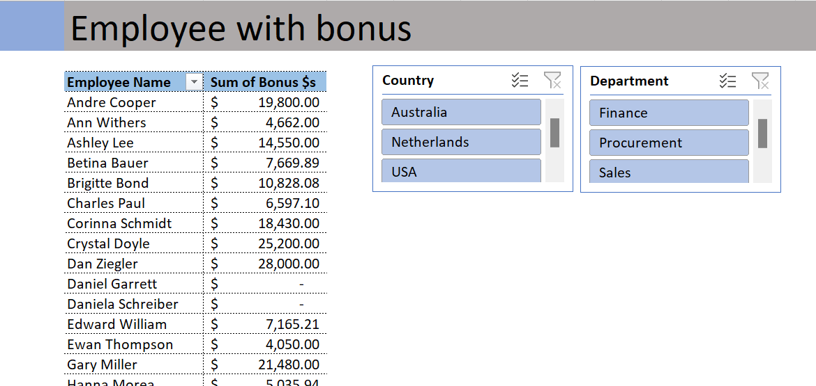
 | Daniela Schreiber | $- | ID47 | Sales | Edward William | Netherlands | 55117 | 13% | $7,165.21
 | Edward William | $7,165.21 | ID42 | Sales | Stephen Hughes | USA | 120000 | 13% | $15,600.00
 | Ewan Thompson | $4,050.00 | ID19 | Sales | Paul Wells | USA | 135000 | 14% | $18,900.00
 | Gary Miller | $21,480.00 | ID48 | Sales | Rose Kuntum | Australia | 60445 | 19% | $11,484.55
 | Hanna Morea | $5,035.94 | ID49 | Sales | Lenny Karwiz | USA | 83117 | 20% | $16,623.40
 | Isaac Doantan | $12,857.90 | ID41 | Sales | Isaac Doantan | USA | 58445 | 22% | $12,857.90
 | James Willard | $- | ID9 | Sales | Peter Ramsy | Australia | 21971 | 23% | $5,053.33
 | John Baptist | $17,460.00 | ID8 | Sales | Robert Spear | Netherlands | 39627 | 23% | $9,114.21
 | John Mark | $12,800.00 | ID10 | Sales | Brigitte Bond | USA | 45117 | 24% | $10,828.08
 | John Mylas | $7,716.38 | ID21 | Sales | Maria Tot | Netherlands | 50545 | 25% | $12,636.25
 | Joseph Vinod | $8,100.00 | ID7 | Sales | Stevie Bridge | Netherlands | 34808 | 27% | $9,398.16
 | Kim West | $10,720.00 | ID30 | Procurement | Robert Musser | USA | 68357 | 0% | $-
 | Lenny Karwiz | $16,623.40 | ID14 | Procurement | Ann Withers | Australia | 51800 | 9% | $4,662.00
 | Lukas Hofer | $3,552.00 | ID44 | Procurement | Mahitha Nowman | USA | 89500 | 9% | $8,055.00
 |  |  | ID45 | Procurement | Charles Paul | Australia | 65971 | 10% | $6,597.10
 |  |  | ID3 | Procurement | Natalie Porter | USA | 140000 | 10% | $14,000.00
 |  |  | ID38 | Procurement | Hanna Morea | Netherlands | 35971 | 14% | $5,035.94
 |  |  | ID40 | Procurement | John Mylas | Australia | 55117 | 14% | $7,716.38
 |  |  | ID43 | Procurement | Stephen Hawkings | Netherlands | 45450 | 16% | $7,272.00
 |  |  | ID39 | Procurement | John Mark | Netherlands | 80000 | 16% | $12,800.00
 |  |  | ID27 | Procurement | Mike Saban | USA | 45000 | 18% | $8,100.00
 |  |  | ID46 | Procurement | Sharon Rose | USA | 80000 | 18% | $14,400.00
 |  |  | ID29 | Procurement | Andre Cooper | Netherlands | 110000 | 18% | $19,800.00
 |  |  | ID16 | Procurement | Corinna Schmidt | USA | 97000 | 19% | $18,430.00
 |  |  | ID37 | Procurement | Sarah Gavlace | USA | 89500 | 21% | $18,795.00
 |  |  | ID28 | Finance | Daniel Garrett | USA | 55117 | 0% | $-
 |  |  | ID2 | Finance | Daniela Schreiber | Netherlands | 50545 | 0% | $-
 |  |  | ID6 | Finance | Robert Blume | Netherlands | 88357 | 0% | $-
 |  |  | ID31 | Finance | Lukas Hofer | USA | 59200 | 6% | $3,552.00
 |  |  | ID12 | Finance | Richard Elliot | USA | 35971 | 14% | $5,035.94
 |  |  | ID33 | Finance | Tim Watson | USA | 68357 | 15% | $10,253.55
 |  |  | ID32 | Finance | Ashley Lee | Australia | 97000 | 15% | $14,550.00
 |  |  | ID15 | Finance | Betina Bauer | USA | 45117 | 17% | $7,669.89
 |  |  | ID36 | Finance | Joseph Vinod | Australia | 45000 | 18% | $8,100.00
 |  |  | ID35 | Finance | John Baptist | USA | 97000 | 18% | $17,460.00
 |  |  | ID34 | Finance | Mercy Mayo | Netherlands | 51800 | 19% | $9,842.00
 |  |  | ID11 | Finance | Dan Ziegler | Australia | 140000 | 20% | $28,000.00
 |  |  | ID1 | Finance | Crystal Doyle | USA | 120000 | 21% | $25,200.00
 |  |  | ID4 | Finance | Gary Miller | Australia | 89500 | 24% | $21,480.00
 |  |  | ID25 | Finance | Paul Hill | Australia | 58445 | 25% | $14,611.25
 |  |  | ID20 | Finance | Roger Mun | Netherlands | 80000 | 25% | $20,000.00
 |  |  | ID26 | Finance | Robert Richardson | USA | 90000 | 25% | $22,500.00

